Sheet3
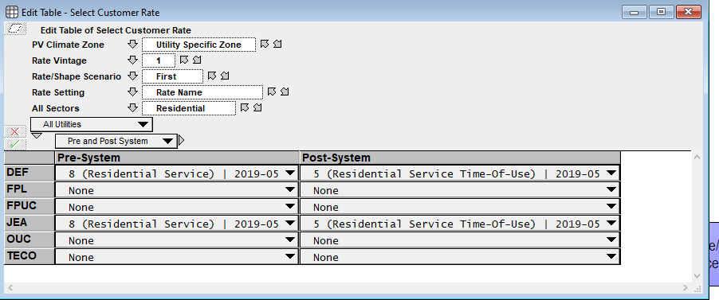
Ignore Scenario Dimension

